Syndigo Letter
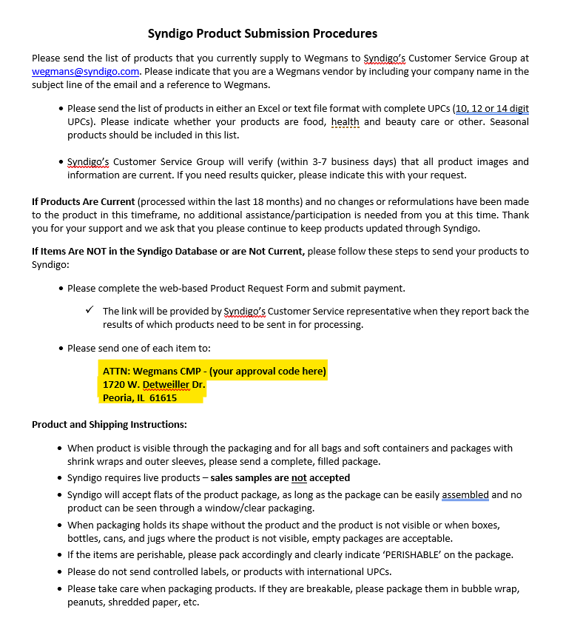
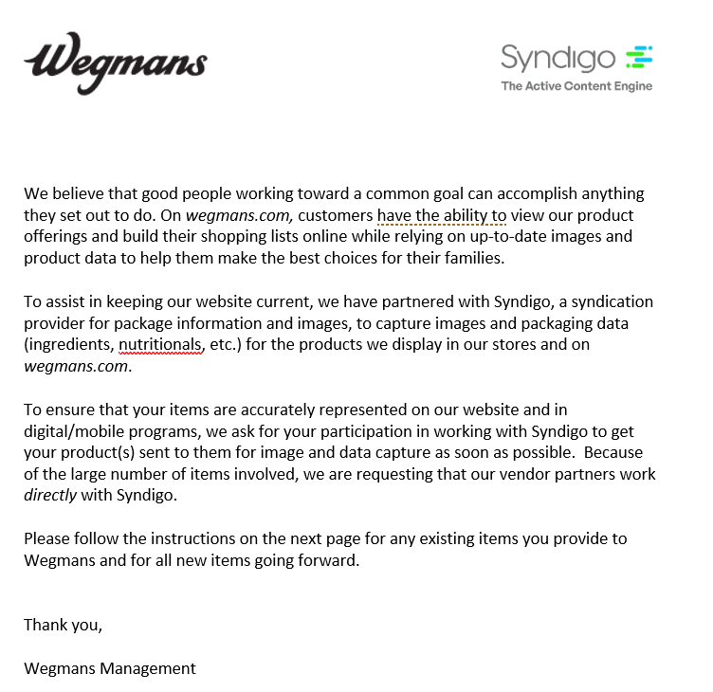
Please send the list of products that you currently supply to Wegmans to Syndigo’s Customer Service Group at wegmans@syndigo.com. Please indicate that you are a Wegmans vendor by including your company name in the subject line of the email and a reference to Wegmans.

Smarter Sorting
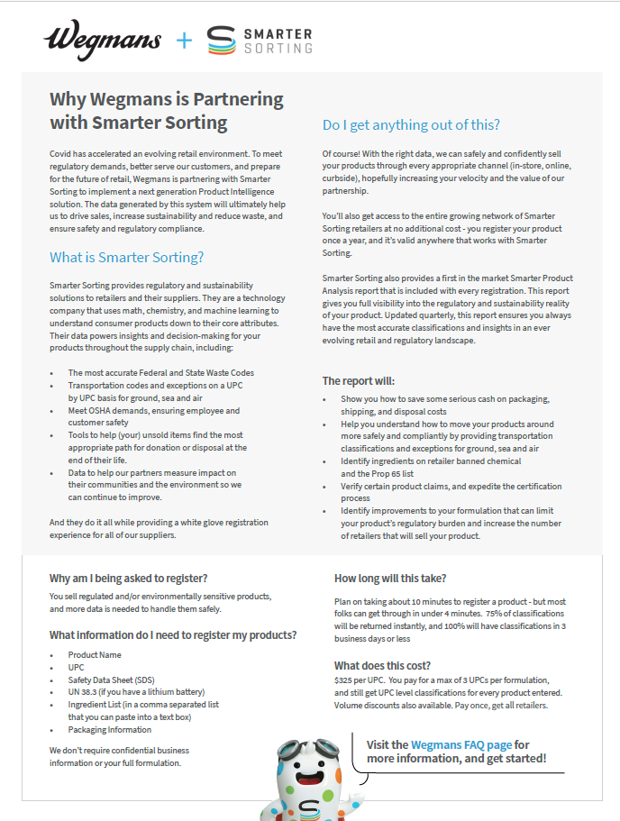
Here’s a link to begin registration in the Smarter Sorting Classification Portal for a regulated product sold at Wegmans: Smarter Sorting

Does My Product Need to be Registered in the Smarter Sorting Classification Portal

Sell Sheet
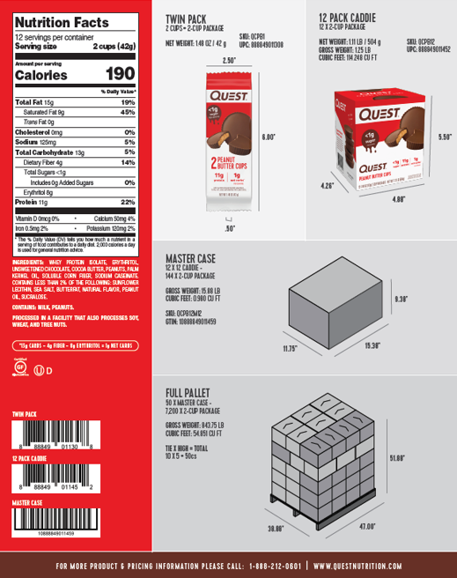
Copy and paste sell sheet below or send sell sheet over with NIFS to the MDM team | example below:

